Sheet1
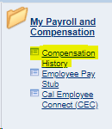
Enter your monthly base pay under Current Monthly Base Pay in the appropriate line, then click on enter or tab to view the monthly salary with TB reduction listed in TB Reduction column. TB Reduction: 3 unit reduction (8 hours per week) = .2 6 unit reduction (16 hours per week) =.4
Current Monthly Base Salary | TB Reduction | New Monthly Salary for Semester
$- | 0.2 | $-
$- | 0.4 | $-
Current Monthly Salary may be found on your portal under Employee Self Service:

